ESOP
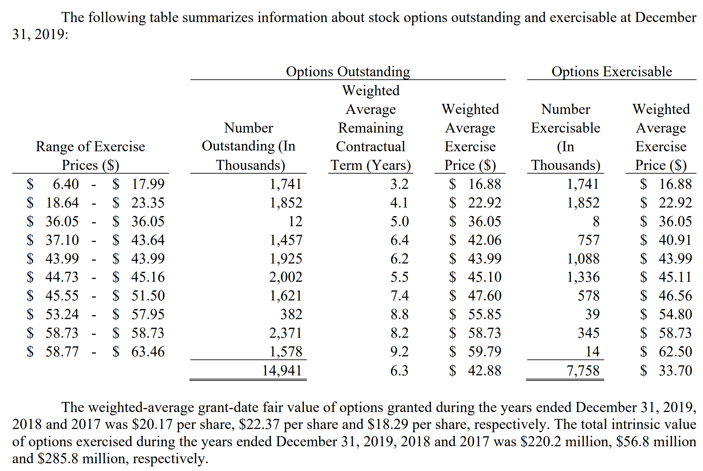
Type Company Name Here First
Valuation of Options Granted under ESOP

Current Stock Price |  |  | $50.00
Risk Free Rate |  |  | 3.00%
Current Dividend Yield |  |  | 0.00%
Annualized St. Dev. of Stock Returns |  |  | 40.00%

 |  | Average | Average | B-S | Value
Range of | Number | Exercise | Remaining | Option | of Options
Outstanding Options | of Shares | Price | Life (yrs) | Price | Granted | How to use this worksheet:
Range 1 | 10,000 | 5.00 | 2.24 | $45.33 | $453,250 | Enter the number of options, prices, and remaining life for each range provided in the notes to the annual report (10K).
Range 2 | 20,000 | 9.00 | 5.40 | $42.48 | $849,615 | Some companies only report the total options oustanding, which would result in using only one row of this worksheet.
Range 3 | 30,000 | 10.00 | 4.35 | $41.33 | $1,239,996
Range 4 | 15,000 | 12.00 | 6.40 | $40.57 | $608,590
Range 5 | 18,000 | 15.00 | 8.24 | $39.51 | $711,103
Range 6 |  |  |  |  | $- | You may delete or hide any unused rows.
Range 7 |  |  |  |  | $-
Range 8 |  |  |  |  | $-
Range 9 |  |  |  |  | $-
Total | 93,000 | $10.54 | 5.43 | $41.28 | $3,862,554 | The value of all options granted under the ESOP as of the end of the most recent fiscal year.
 |  |  |  |  |  | You may need to scale this number up or down by 1,000 or 1,000,000 to put on the same scale as your valuation.
 |  |  |  |  |  | Subtract this amount from your value of operating assets to arrive at the value of equity.

EXAMPLE 1: Stock options reported in TOTAL ONLY, which will result in using only 1 row above.

EXAMPLE 2: Stock options reported in "ranges", which will result in using multiple rows above.

